OVM
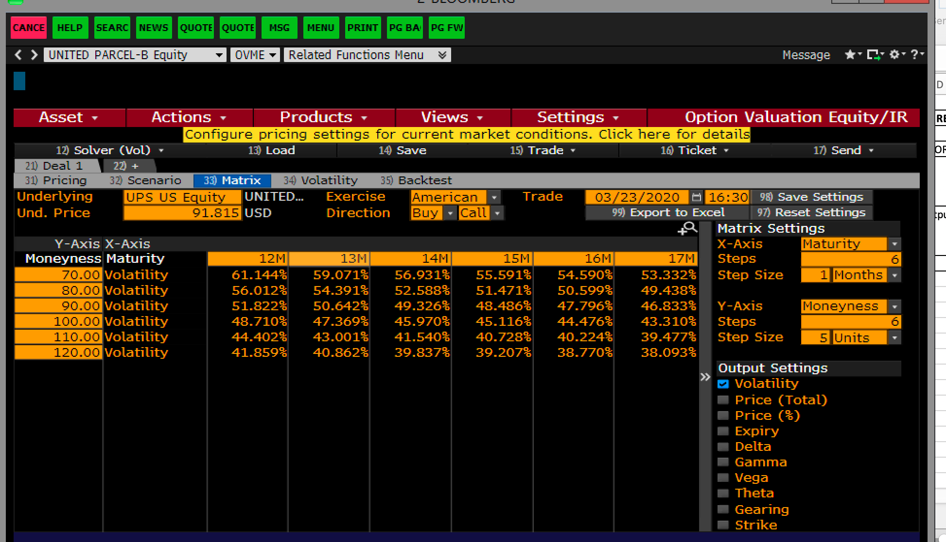

23-Jun-21
23-Mar-20
457

